Source
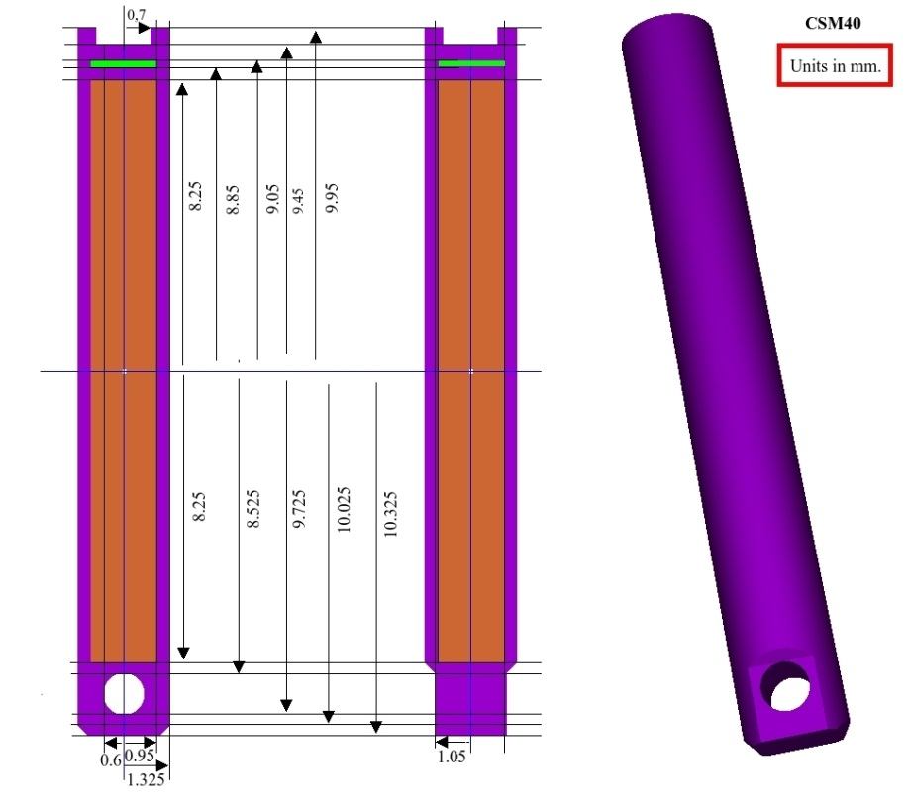
Source design and materials | 137Cs - LDR Bebig CSM40

GL(r,t)
Geometry Function |  | 137Cs - LDR Bebig CSM40
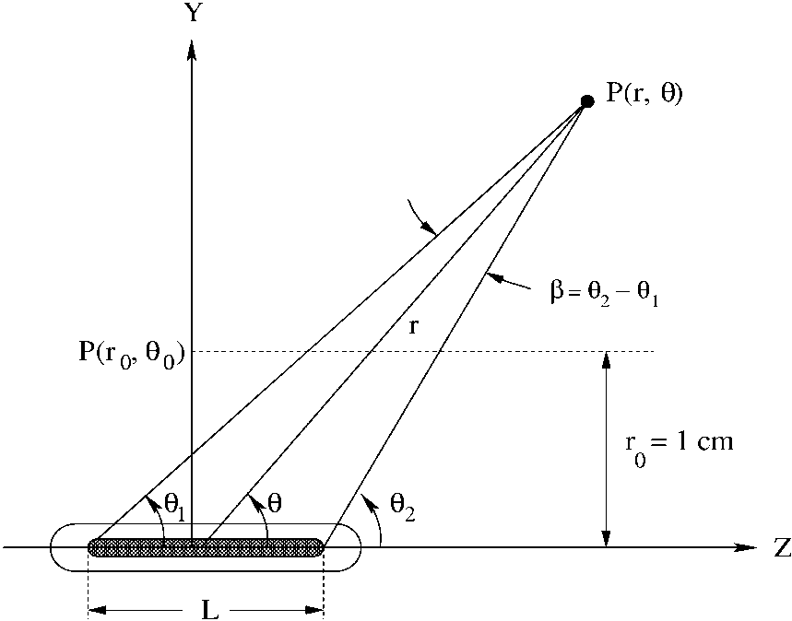

Active source length, L= | 1.65 | cm

gL(r)
Radial Dose Function Parameters |  |  | 137Cs - LDR Bebig CSM40
Leff = | 1.65 | cm

r (cm) | gL(r )
0.15 | 1.0861
0.20 | 1.0409
0.25 | 1.0256
0.30 | 1.0183
0.35 | 1.0141
0.40 | 1.0111
0.45 | 1.0091
0.50 | 1.0078
0.55 | 1.0064
0.60 | 1.0053
0.65 | 1.0046
0.70 | 1.0039
0.75 | 1.0032
0.80 | 1.0026
0.85 | 1.0018
0.90 | 1.0012
0.95 | 1.0006
1.00 | 1.0000
1.05 | 0.9996
1.10 | 0.9991
1.15 | 0.9983
1.20 | 0.9979
1.25 | 0.9974
1.30 | 0.9968
1.35 | 0.9964
1.40 | 0.9957
1.45 | 0.9951
1.50 | 0.9947
1.55 | 0.9941
1.60 | 0.9938
1.65 | 0.9933
1.70 | 0.9929
1.75 | 0.9925
1.80 | 0.9919
1.85 | 0.9914
1.90 | 0.9909
1.95 | 0.9905
2.00 | 0.9899
2.05 | 0.9894
2.10 | 0.9888
2.15 | 0.9882
2.20 | 0.9878
2.25 | 0.9872
2.30 | 0.9867
2.35 | 0.9862
2.40 | 0.9857
2.45 | 0.9851
2.50 | 0.9844
2.55 | 0.9840
2.60 | 0.9834
2.65 | 0.9829
2.70 | 0.9824
2.75 | 0.9818
2.80 | 0.9812
2.85 | 0.9807
2.90 | 0.9801
2.95 | 0.9795
3.00 | 0.9791
3.05 | 0.9784
3.10 | 0.9778
3.15 | 0.9772
3.20 | 0.9768
3.25 | 0.9763
3.30 | 0.9757
3.35 | 0.9750
3.40 | 0.9744
3.45 | 0.9739
3.50 | 0.9733
3.55 | 0.9727
3.60 | 0.9721
3.65 | 0.9715
3.70 | 0.9710
3.75 | 0.9704
3.80 | 0.9697
3.85 | 0.9691
3.90 | 0.9685
3.95 | 0.9678
4.00 | 0.9672
4.05 | 0.9666
4.10 | 0.9660
4.15 | 0.9653
4.20 | 0.9647
4.25 | 0.9641
4.30 | 0.9634
4.35 | 0.9627
4.40 | 0.9620
4.45 | 0.9614
4.50 | 0.9608
4.55 | 0.9602
4.60 | 0.9595
4.65 | 0.9588
4.70 | 0.9582
4.75 | 0.9575
4.80 | 0.9567
4.85 | 0.9561
4.90 | 0.9553
4.95 | 0.9546
5.00 | 0.9539
5.05 | 0.9532
5.10 | 0.9527
5.15 | 0.9521
5.20 | 0.9514
5.25 | 0.9507
5.30 | 0.9499
5.35 | 0.9492
5.40 | 0.9485
5.45 | 0.9477
5.50 | 0.9470
5.55 | 0.9463
5.60 | 0.9456
5.65 | 0.9449
5.70 | 0.9442
5.75 | 0.9435
5.80 | 0.9428
5.85 | 0.9420
5.90 | 0.9413
5.95 | 0.9405
6.00 | 0.9398
6.05 | 0.9390
6.10 | 0.9383
6.15 | 0.9376
6.20 | 0.9369
6.25 | 0.9361
6.30 | 0.9355
6.35 | 0.9347
6.40 | 0.9338
6.45 | 0.9331
6.50 | 0.9324
6.55 | 0.9316
6.60 | 0.9309
6.65 | 0.9301
6.70 | 0.9293
6.75 | 0.9286
6.80 | 0.9278
6.85 | 0.9270
6.90 | 0.9261
6.95 | 0.9253
7.00 | 0.9246
7.05 | 0.9238
7.10 | 0.9230
7.15 | 0.9222
7.20 | 0.9214
7.25 | 0.9206
7.30 | 0.9198
7.35 | 0.9190
7.40 | 0.9181
7.45 | 0.9173
7.50 | 0.9165
7.55 | 0.9156
7.60 | 0.9148
7.65 | 0.9139
7.70 | 0.9132
7.75 | 0.9123
7.80 | 0.9116
7.85 | 0.9107
7.90 | 0.9100
7.95 | 0.9091
8.00 | 0.9082
8.05 | 0.9074
8.10 | 0.9065
8.15 | 0.9057
8.20 | 0.9049
8.25 | 0.9040
8.30 | 0.9033
8.35 | 0.9024
8.40 | 0.9016
8.45 | 0.9007
8.50 | 0.8998
8.55 | 0.8988
8.60 | 0.8980
8.65 | 0.8970
8.70 | 0.8961
8.75 | 0.8952
8.80 | 0.8944
8.85 | 0.8935
8.90 | 0.8927
8.95 | 0.8918
9.00 | 0.8909
9.05 | 0.8900
9.10 | 0.8891
9.15 | 0.8881
9.20 | 0.8872
9.25 | 0.8862
9.30 | 0.8853
9.35 | 0.8843
9.40 | 0.8834
9.45 | 0.8825
9.50 | 0.8816
9.55 | 0.8807
9.60 | 0.8797
9.65 | 0.8788
9.70 | 0.8779
9.75 | 0.8770
9.80 | 0.8760
9.85 | 0.8751
9.90 | 0.8742
9.95 | 0.8732
10.00 | 0.8724
10.05 | 0.8715
10.10 | 0.8705
10.15 | 0.8696
10.20 | 0.8686
10.25 | 0.8677
10.30 | 0.8667
10.35 | 0.8657
10.40 | 0.8648
10.45 | 0.8639
10.50 | 0.8629
10.55 | 0.8620
10.60 | 0.8610
10.65 | 0.8600
10.70 | 0.8589
10.75 | 0.8580
10.80 | 0.8571
10.85 | 0.8561
10.90 | 0.8552
10.95 | 0.8541
11.00 | 0.8532
11.05 | 0.8521
11.10 | 0.8511
11.15 | 0.8502
11.20 | 0.8491
11.25 | 0.8481
11.30 | 0.8471
11.35 | 0.8461
11.40 | 0.8451
11.45 | 0.8441
11.50 | 0.8431
11.55 | 0.8421
11.60 | 0.8411
11.65 | 0.8401
11.70 | 0.8391
11.75 | 0.8381
11.80 | 0.8372
11.85 | 0.8361
11.90 | 0.8351
11.95 | 0.8341
12.00 | 0.8331
12.05 | 0.8320
12.10 | 0.8310
12.15 | 0.8299
12.20 | 0.8290
12.25 | 0.8279
12.30 | 0.8268
12.35 | 0.8257
12.40 | 0.8247
12.45 | 0.8236
12.50 | 0.8225
12.55 | 0.8215
12.60 | 0.8204
12.65 | 0.8194
12.70 | 0.8182
12.75 | 0.8173
12.80 | 0.8163
12.85 | 0.8153
12.90 | 0.8142
12.95 | 0.8132
13.00 | 0.8122
13.05 | 0.8111
13.10 | 0.8100
13.15 | 0.8089
13.20 | 0.8079
13.25 | 0.8069
13.30 | 0.8058
13.35 | 0.8048
13.40 | 0.8038
13.45 | 0.8027
13.50 | 0.8016
13.55 | 0.8006
13.60 | 0.7994
13.65 | 0.7984
13.70 | 0.7973
13.75 | 0.7961
13.80 | 0.7951
13.85 | 0.7940
13.90 | 0.7929
13.95 | 0.7918
14.00 | 0.7909
14.05 | 0.7897
14.10 | 0.7885
14.15 | 0.7874
14.20 | 0.7864
14.25 | 0.7853
14.30 | 0.7842
14.35 | 0.7830
14.40 | 0.7820
14.45 | 0.7810
14.50 | 0.7799
14.55 | 0.7787
14.60 | 0.7775
14.65 | 0.7765
14.70 | 0.7754
14.75 | 0.7743
14.80 | 0.7731
14.85 | 0.7720
14.90 | 0.7709
14.95 | 0.7698
15.00 | 0.7688
15.05 | 0.7677
15.10 | 0.7665
15.15 | 0.7655
15.20 | 0.7643
15.25 | 0.7631
15.30 | 0.7621
15.35 | 0.7609
15.40 | 0.7599
15.45 | 0.7588
15.50 | 0.7577
15.55 | 0.7565
15.60 | 0.7554
15.65 | 0.7543
15.70 | 0.7531
15.75 | 0.7520
15.80 | 0.7508
15.85 | 0.7496
15.90 | 0.7486
15.95 | 0.7475
16.00 | 0.7464
16.05 | 0.7454
16.10 | 0.7442
16.15 | 0.7431
16.20 | 0.7419
16.25 | 0.7407
16.30 | 0.7395
16.35 | 0.7384
16.40 | 0.7372
16.45 | 0.7361
16.50 | 0.7350
16.55 | 0.7338
16.60 | 0.7327
16.65 | 0.7315
16.70 | 0.7303
16.75 | 0.7291
16.80 | 0.7280
16.85 | 0.7268
16.90 | 0.7257
16.95 | 0.7246
17.00 | 0.7234
17.05 | 0.7223
17.10 | 0.7211
17.15 | 0.7200
17.20 | 0.7188
17.25 | 0.7176
17.30 | 0.7163
17.35 | 0.7152
17.40 | 0.7141
17.45 | 0.7130
17.50 | 0.7118
17.55 | 0.7106
17.60 | 0.7095
17.65 | 0.7084
17.70 | 0.7073
17.75 | 0.7062
17.80 | 0.7051
17.85 | 0.7039
17.90 | 0.7026
17.95 | 0.7015
18.00 | 0.7004
18.05 | 0.6993
18.10 | 0.6981
18.15 | 0.6968
18.20 | 0.6957
18.25 | 0.6945
18.30 | 0.6933
18.35 | 0.6921
18.40 | 0.6909
18.45 | 0.6898
18.50 | 0.6887
18.55 | 0.6876
18.60 | 0.6865
18.65 | 0.6854
18.70 | 0.6842
18.75 | 0.6830
18.80 | 0.6818
18.85 | 0.6807
18.90 | 0.6795
18.95 | 0.6783
19.00 | 0.6772
19.05 | 0.6759
19.10 | 0.6748
19.15 | 0.6735
19.20 | 0.6723
19.25 | 0.6712
19.30 | 0.6700
19.35 | 0.6690
19.40 | 0.6679
19.45 | 0.6667
19.50 | 0.6655
19.55 | 0.6643
19.60 | 0.6631
19.65 | 0.6619
19.70 | 0.6607
19.75 | 0.6597
19.80 | 0.6585
19.85 | 0.6573
19.90 | 0.6561
19.95 | 0.6549
20.00 | 0.6537

F(r,t) - plot
Anisotropy Function Table | 137Cs - LDR Bebig CSM40

r = 0.5 cm
 | Penelope
0
1
2
3
4
5
6
8
10
15
20 | 1.0443
25 | 1.0262
30 | 1.0168
40 | 1.0081
50 | 1.0038
60 | 1.0018
70 | 1.0005
80 | 1.0000
90 | 1.0000
100 | 1.0001
110 | 1.0005
120 | 1.0018
130 | 1.0037
140 | 1.0080
150 | 1.0168
155 | 1.0263
160 | 1.0442
165
170
172
174
175
176
177
178
179
180
r = 1 cm
 | Penelope
0
1
2
3
4
5
6
8 | 0.9494
10 | 0.9655
15 | 0.9862
20 | 0.9947
25 | 0.9978
30 | 0.9995
40 | 1.0001
50 | 1.0004
60 | 1.0003
70 | 1.0003
80 | 1.0002
90 | 1.0000
100 | 1.0002
110 | 1.0001
120 | 1.0004
130 | 1.0006
140 | 1.0002
150 | 0.9996
155 | 0.9980
160 | 0.9945
165 | 0.9864
170 | 0.9674
172 | 0.9561
174
175
176
177
178
179
180
r = 2 cm
 | Penelope
0 | 0.9524
1 | 0.9549
2 | 0.9575
3 | 0.9563
4 | 0.9503
5 | 0.9444
6 | 0.9408
8 | 0.9441
10 | 0.9511
15 | 0.9678
20 | 0.9779
25 | 0.9847
30 | 0.9896
40 | 0.9948
50 | 0.9973
60 | 0.9987
70 | 0.9996
80 | 1.0000
90 | 1.0000
100 | 0.9999
110 | 0.9995
120 | 0.9990
130 | 0.9974
140 | 0.9942
150 | 0.9900
155 | 0.9859
160 | 0.9791
165 | 0.9691
170 | 0.9531
172 | 0.9447
174 | 0.9398
175 | 0.9418
176 | 0.9457
177 | 0.9516
178 | 0.9529
179 | 0.9540
180 | 0.9551

r = 3 cm
 | Penelope
0 | 0.9465
1 | 0.9499
2 | 0.9534
3 | 0.9483
4 | 0.9419
5 | 0.9393
6 | 0.9396
8 | 0.9446
10 | 0.9521
15 | 0.9677
20 | 0.9777
25 | 0.9843
30 | 0.9887
40 | 0.9938
50 | 0.9968
60 | 0.9983
70 | 0.9996
80 | 0.9996
90 | 1.0000
100 | 0.9998
110 | 0.9992
120 | 0.9982
130 | 0.9967
140 | 0.9940
150 | 0.9890
155 | 0.9852
160 | 0.9784
165 | 0.9686
170 | 0.9526
172 | 0.9447
174 | 0.9390
175 | 0.9370
176 | 0.9404
177 | 0.9446
178 | 0.9479
179 | 0.9506
180 | 0.9533
r = 5 cm
 | Penelope
0 | 0.9477
1 | 0.9495
2 | 0.9514
3 | 0.9451
4 | 0.9427
5 | 0.9417
6 | 0.9435
8 | 0.9496
10 | 0.9564
15 | 0.9705
20 | 0.9795
25 | 0.9853
30 | 0.9895
40 | 0.9942
50 | 0.9970
60 | 0.9985
70 | 0.9995
80 | 1.0003
90 | 1.0000
100 | 1.0003
110 | 0.9994
120 | 0.9985
130 | 0.9974
140 | 0.9950
150 | 0.9898
155 | 0.9858
160 | 0.9798
165 | 0.9711
170 | 0.9569
172 | 0.9493
174 | 0.9423
175 | 0.9405
176 | 0.9399
177 | 0.9436
178 | 0.9462
179 | 0.9490
180 | 0.9518
r = 7 cm
 | Penelope
0 | 0.9489
1 | 0.9505
2 | 0.9521
3 | 0.9472
4 | 0.9458
5 | 0.9455
6 | 0.9483
8 | 0.9536
10 | 0.9598
15 | 0.9723
20 | 0.9805
25 | 0.9857
30 | 0.9894
40 | 0.9947
50 | 0.9972
60 | 0.9983
70 | 0.9995
80 | 1.0000
90 | 1.0000
100 | 1.0000
110 | 0.9994
120 | 0.9988
130 | 0.9970
140 | 0.9948
150 | 0.9901
155 | 0.9859
160 | 0.9808
165 | 0.9724
170 | 0.9601
172 | 0.9538
174 | 0.9470
175 | 0.9452
176 | 0.9446
177 | 0.9459
178 | 0.9484
179 | 0.9506
180 | 0.9528

r = 10 cm
 | Penelope
0 | 0.9541
1 | 0.9551
2 | 0.9562
3 | 0.9511
4 | 0.9518
5 | 0.9515
6 | 0.9537
8 | 0.9584
10 | 0.9640
15 | 0.9751
20 | 0.9818
25 | 0.9868
30 | 0.9901
40 | 0.9948
50 | 0.9973
60 | 0.9989
70 | 0.9993
80 | 1.0001
90 | 1.0000
100 | 0.9999
110 | 0.9993
120 | 0.9991
130 | 0.9975
140 | 0.9949
150 | 0.9908
155 | 0.9872
160 | 0.9827
165 | 0.9750
170 | 0.9649
172 | 0.9586
174 | 0.9524
175 | 0.9511
176 | 0.9498
177 | 0.9505
178 | 0.9526
179 | 0.9542
180 | 0.9557
r = 15 cm
 | Penelope
0 | 0.9559
1 | 0.9589
2 | 0.9619
3 | 0.9590
4 | 0.9584
5 | 0.9593
6 | 0.9615
8 | 0.9644
10 | 0.9688
15 | 0.9780
20 | 0.9842
25 | 0.9877
30 | 0.9913
40 | 0.9950
50 | 0.9971
60 | 0.9988
70 | 0.9993
80 | 0.9999
90 | 1.0000
100 | 0.9999
110 | 0.9994
120 | 0.9989
130 | 0.9975
140 | 0.9950
150 | 0.9914
155 | 0.9885
160 | 0.9848
165 | 0.9787
170 | 0.9695
172 | 0.9649
174 | 0.9611
175 | 0.9594
176 | 0.9579
177 | 0.9573
178 | 0.9588
179 | 0.9577
180 | 0.9566

